Application Screen
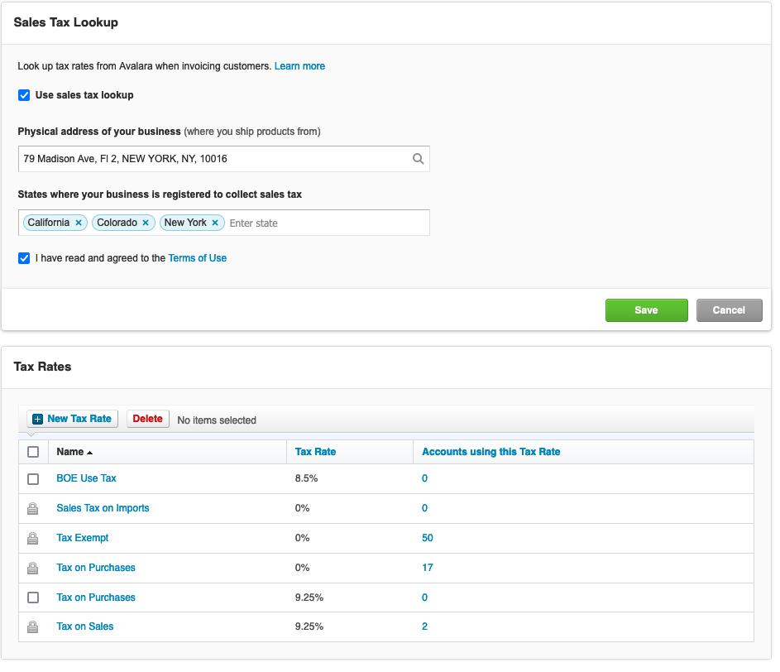
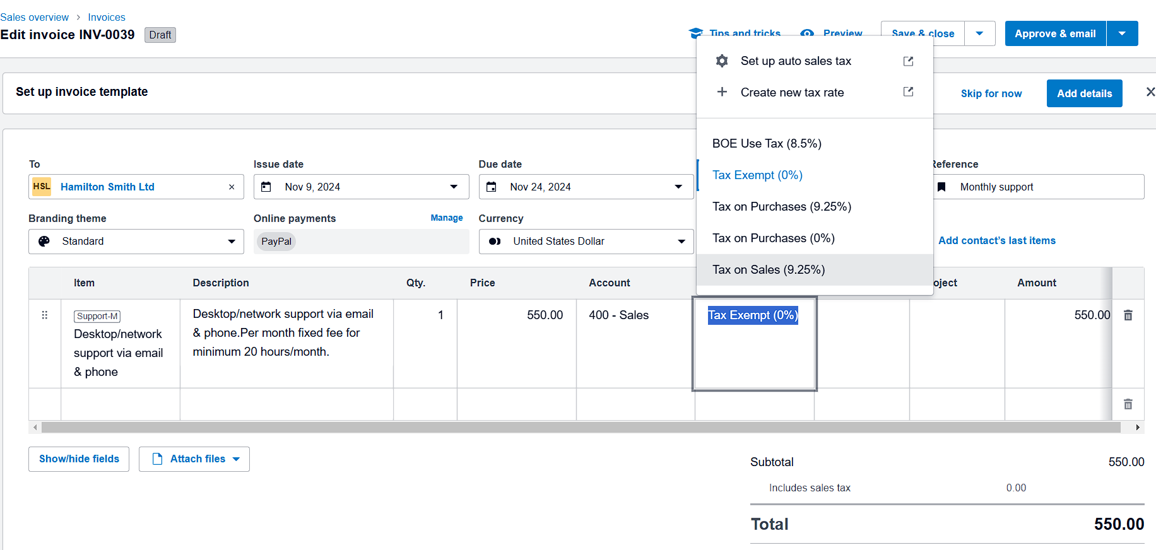

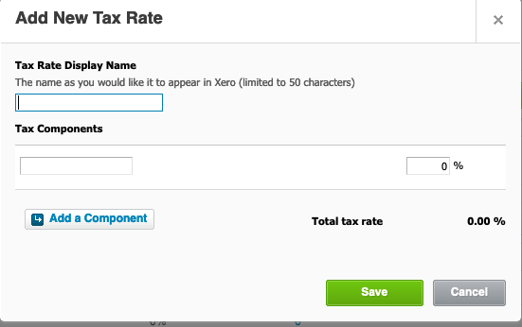

Test Case 14
TC Title: | TC14 6.16 Handle Taxes on Invoices - DF-In;

TC Objective: | The main objective of this test case is to verify that tax data imported during invoice creation is accurate, consistent, and properly mapped to relevant invoice fields.

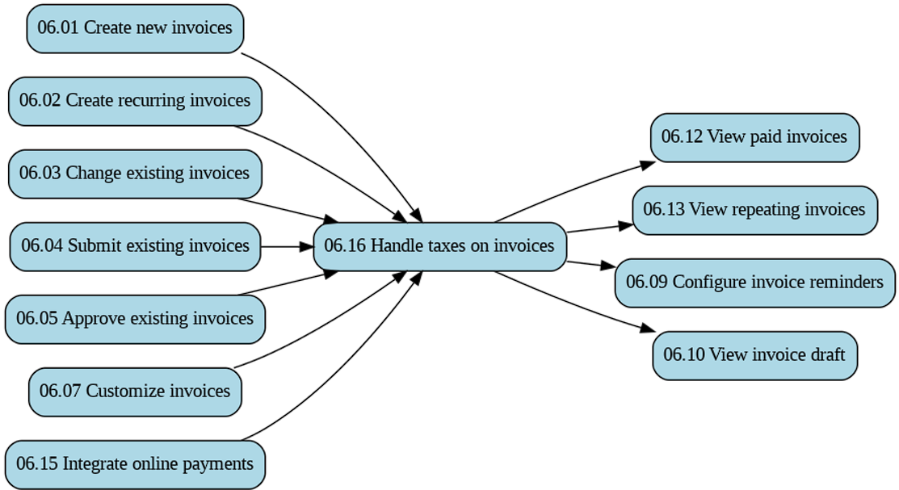

TC Description | Step | Step Description | Expected Results
 | 1 | Login to the xero application. Navigate to the invoices section. Create a new invoice in the Xero application. Select an existing tax rate. | Verify that tax information (tax component, tax rate ) is correctly pre-populated in the invoice.
 | 2 | Check that product information is accurately pre-populated when adding line items to an invoice. | The system should retrieve and display product details, such as name, description, and price when adding line items to a new invoice.

